NATP (AM)
Course Title | [Fall 2025 - Cycle 1 - AM] Certified Nurse Assistant Training Program | Cover Image | Cover_Day_Text.png | Course Category | NATP / Fall 2025 | Start Date | 2025-09-15 | Course Completion | Mark course complete when Course Certificate has been completed
Viewable By | - NATP Students - NATP Facilitators | Enrollment Method | Enrolment on payment ($1,592.5), manual enrollment |  |  | End Date | 2025-12-12 | Other Dayup Notes | https://www.figma.com/board/KD7E72xfOhD6DdsCIYnLvx/CI-ION-User-Flows?node-id=296-4423&t=LBYrRFqWYQ8yfDzf-4
Course Description | The Certified Nurse Assistant Training Program (NATP) combines classroom, hands-on, and clinical training to prepare you for CNA certification in California. You’ll gain the skills and experience needed to provide safe, compassionate care and qualify for the state exam.

Section | Subsection | Type | Name | Status | Content | Content Owner | Completion Rule | Section-Level Access Conditions | Access Conditions | Due Date | Notes
General |  | Forum | Announcements | Completed |  |  | None |  |  |  | Ensure forum type is announcements
 |  | Forum | Q&A | Completed | Post your questions here about course content, assignments, or training, and get support from instructors and classmates. |  | None
 |  | Attendance | Theory Class Attendance | Completed |  |  | Receive PASSING grade |  |  |  | Calculate based on passing (Resource); only allowed 1 theory absence and 1 clinical absence Passing: 2 * (Total No. of Sessions - 1 Allowed Absence)
 |  | Attendance | Clinical Class Attendance | Completed |  |  | Receive PASSING grade
Onboarding |  | N/A | Onboarding Section Description | Completed | Review the following onboarding materials to get familiar with the program, meet your instructor, and prepare for success. |  | None
 | Resources | Book | Student Catalog | Completed | CI Institute of Nursing Student Catalog 12-13-2024.docx |  | None |  |  |  | Convert to Book
 |  | File | Student Catalog (PDF) | Completed | CI Institute of Nursing Student Catalog 12-13-2024.docx |  | None |  |  |  | Convert to PDF
 |  | File | Program Schedule | Completed | CI - ION Training Program Schedule | Janine Catanghal | View the activity |  |  |  | Convert to PDF
 |  | File | Course Syllabus | Completed | CI Institute of Nursing - Course Syllabus.pdf |  | View the activity
 | Introductions | Page | Meet Your Course Instructor & CI-ION Team | Completed | CI-ION Meet Your Instructor and Coordinator_Revised.mp4 | Dee Bustos | View the activity
 |  | Feedback | Student Information & Preferences | Completed | Final Forms| CNA Training Program New Student Resources | Janine Catanghal | Make a submission |  |  |  | Limited question types, need to GForm if need to collect uploads
 |  | URL | WhatsApp Community | Completed | https://chat.whatsapp.com/FCWHuQ26dSeG9luFkuaDdA?mode=ac_t |  | View the activity |  |  |  | Description (display on course page): Join our WhatsApp group for quick updates, announcements, and support throughout your training.
 | Student Readiness | Book | Getting Organized | Completed | CNA Training Program New Student Resources | Dee Bustos | View the activity
 |  | Page | Navigating the Course | Completed | Navigating the Course | Dagny Yenko | View the activity
 |  | Book | Study & Learning Strategies | Completed | CNA Training Program New Student Resources | Dee Bustos | View the activity
 |  | Page | Professionalism & Conduct | Completed | STUDENT READINESS, PROFESSIONALISM & CONDUCT DOCUMENT | Yadvir Saandal | View the activity |  |  |  | Don't include commitment statement
 |  | Page | Netiquette for Online Learning | Completed | CNA Training Program New Student Resources |  | View the activity
 |  | Page | Self-Care & Support | Completed | CNA Training Program New Student Resources | Dee Bustos | View the activity
 |  | Quiz | Pre-Orientation Quiz | Completed | CI-ION_ Pre-Orientation Student Catalog Test.pdf | Robert Padilla | Receive ANY grade |  |  |  | Use default core settings below, but provide unlimited attempts Go over comments in file and apply revisions
 | Orientation | N/A | Orientation Section Description | Completed | Join the synchronous orientation session on October 27, 8AM and ensure your attendance is recorded. |  | None
 |  | BigBlueButton | Orientation Session | Completed |  |  | View the activity, Require attendance |  |  | Set reminder in timeline: Oct 27, 8AM
 |  | Attendance | Orientation Attendance | Completed |  |  | Receive PASSING grade |  |  |  | Passing grade is 100%
[Theory] Day 1 | Class & Schedule | BigBlueButton | Day 1 Online Class | Completed |  |  | View the activity, Require attendance
 |  | Page | Day 1 Schedule | Completed | CI - ION Training Program Schedule |  | View the activity |  |  |  | IMPORTANT: For all schedules, paste relevant day-to-day schedule table into page
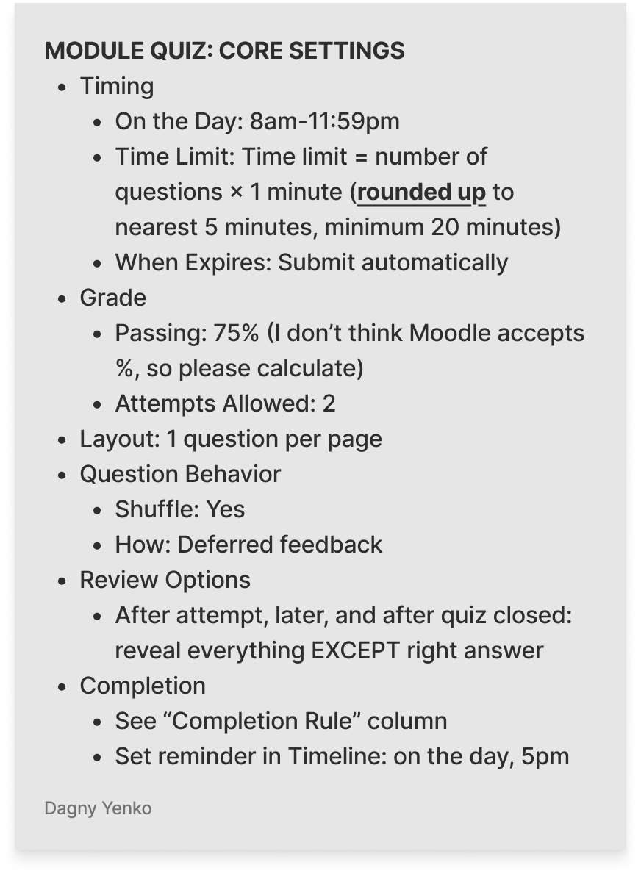
 | Module 1 | File | Study: Introduction to Nurse Assistant | Completed |  |  | View the activity
 |  | Quiz | Quiz: Introduction to Nurse Assistant | Completed | cccco-na-model-curriculum-module-1.pdf |  | Make a submission |  | Study: Introduction to Nurse Assistant must be marked complete
 | Module 2 | File | Study: Patient Resident Rights | Completed |  |  | View the activity
 |  | Quiz | Quiz: Patient Resident Rights | Completed | cccco-na-model-curriculum-module-2.pdf |  | Make a submission |  | Study: Patient Resident Rights must be marked complete
 | Module 3 | File | Study: Interpersonal Skills | Completed |  |  | View the activity
 |  | Quiz | Quiz: Interpersonal Skills | Completed | cccco-na-model-curriculum-module-3.pdf |  | Make a submission |  | Study: Interpersonal Skills must be marked complete
 | Module 4 | File | Study: Preventive and Management of Catastrophe and Unusual Occurrences | Completed |  |  | View the activity
 |  | Quiz | Quiz: Preventive and Management of Catastrophe and Unusual Occurrences | Completed | cccco-na-model-curriculum-module-4.pdf |  | Make a submission |  | Study: Preventive and Management of Catastrophe and Unusual Occurrences must be marked complete
 | CNA Skills of the Day | H5P | Hand Hygiene (Hand Washing) | Completed | CNA Skill 1 - Hand Hygiene (Hand Washing) |  | View the activity
 |  | H5P | Applies One Knee-High Elastic Stocking | Completed | CNA Skill 2 - Applies One Knee-High Elastic Stocking |  | View the activity
 |  | H5P | Assist to Ambulate Using Transfer Belt | Completed | CNA Skill 3 - Assist to Ambulate Using Transfer Belt |  | View the activity
[Theory] Day 2 | Class & Schedule | BigBlueButton | Day 2 Online Class | Completed |  |  | View the activity, Require attendance
 |  | Page | Day 2 Schedule | Completed | CI - ION Training Program Schedule |  | View the activity
 | Module 5 | File | Study: Body Mechanics | Completed |  |  | View the activity
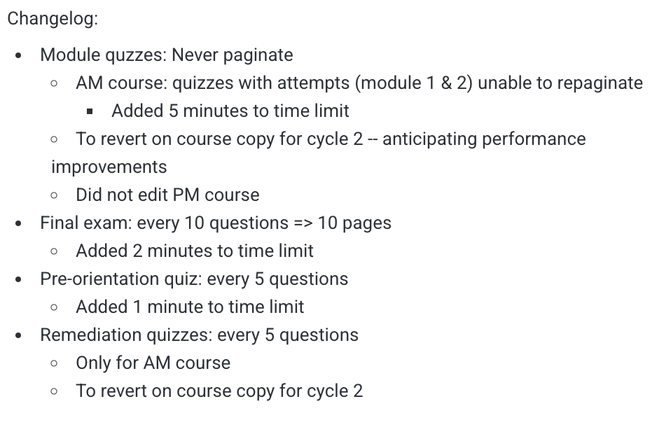
 |  | Quiz | Quiz: Body Mechanics | Completed | cccco-na-model-curriculum-module-5.pdf |  | Make a submission |  | Study: Body Mechanics must be marked complete
 | Module 6 | File | Study: Medical and Surgical Asepsis | Completed |  |  | View the activity
 |  | Quiz | Quiz: Medical and Surgical Asepsis | Completed | cccco-na-model-curriculum-module-6.pdf |  | Make a submission |  | Study: Medical and Surgical Asepsis must be marked complete
 | Module 12 | File | Study: Emergency Procedures | Completed |  |  | View the activity
 |  | Quiz | Quiz: Emergency Procedures | Completed | cccco-na-model-curriculum-module-12.pdf |  | Make a submission |  | Study: Emergency Procedures must be marked complete
 | Module 14 | File | Study: Rehabilitative Nursing | Completed |  |  | View the activity
 |  | Quiz | Quiz: Rehabilitative Nursing | Completed | cccco-na-model-curriculum-module-14.pdf |  | Make a submission |  | Study: Rehabilitative Nursing must be marked complete
 | CNA Skills of the Day | H5P | Bedpan | Completed | CNA Skill 4 - Bedpan |  | View the activity
 |  | H5P | Cleans Upper or Lower Denture | Completed | CNA Skill 5 - Cleans Upper or Lower Denture |  | View the activity
 |  | H5P | Counts and Recounts Radial Pulse | Completed | CNA Skill 6 - Counts and Recounts Radial Pulse |  | View the activity
[Theory] Day 3 | Class & Schedule | BigBlueButton | Day 3 Online Class | Completed |  |  | View the activity, Require attendance
 |  | Page | Day 3 Schedule | Completed | CI - ION Training Program Schedule |  | View the activity
 | Module 17 | File | Study: Patient/Resident Abuse | Completed |  |  | View the activity
 |  | Quiz | Quiz: Patient/Resident Abuse | Completed | cccco-na-model-curriculum-module-17.pdf |  | Make a submission |  | Study: Patient Resident Abuse must be marked complete
 | Module 15.1 | File | Study: Observation and Charting - Part 1 | Completed | Day 3 Module 15.1 Observation and Charting.pdf |  | View the activity
 | CNA Skills of the Day | H5P | Counts and Records Respirations | Completed | CNA Skill 7 - Counts and Records Respirations |  | View the activity
 |  | H5P | Donning and Removing PPE | Completed | CNA Skill 8 - Donning and Removing PPE |  | View the activity
 |  | H5P | Dresses Client with Affected Right Arm | Completed | CNA Skill 9 - Dresses Client with Affected Right Arm |  | View the activity
[Theory] Day 4 | Class & Schedule | BigBlueButton | Day 4 Online Class | Completed |  |  | View the activity, Require attendance
 |  | Page | Day 4 Schedule | Completed | CI - ION Training Program Schedule |  | View the activity
 | Module 7 | File | Study: Weights & Measures | Completed |  |  | View the activity
 |  | Quiz | Quiz: Weights & Measures | Completed | cccco-na-model-curriculum-module-7.pdf |  | Make a submission |  | Study: Weights & Measures must be marked complete
 | Module 8.1 | File | Study: Patient Care Skills - Part 1 | Completed |  |  | View the activity
 | CNA Skills of the Day | H5P | Feeds Client Who Cannot Feed Self | Completed | CNA Skill 10 - Feeds Client Who Cannot Feed Self |  | View the activity
 |  | H5P | Gives Modified Bed Bath (Face and One Arm, Hand and Underarm) | Completed | CNA Skill 11 - Gives Modified Bed Bath (Face and One Arm, Hand and Underarm) |  | View the activity
 |  | H5P | Measures and Records Electronic Blood Pressure | Completed | CNA Skill 12 - Measures and Records Electronic Blood Pressure |  | View the activity
[Theory] Day 5 | Class & Schedule | BigBlueButton | Day 5 Online Class | Completed |  |  | View the activity, Require attendance
 |  | Page | Day 5 Schedule | Completed | CI - ION Training Program Schedule |  | View the activity
 | Module 8.2 | File | Study: Patient Care Skills - Part 2 | Completed |  |  | View the activity
 | CNA Skills of the Day | H5P | Measures and Records Urinary Output | Completed | CNA Skill 13 - Measures and Records Urinary Output |  | View the activity
 |  | H5P | Measures and Records Weight of Ambulatory Client | Completed | CNA Skill 14 - Measures and Records Weight of Ambulatory Client |  | View the activity
 |  | H5P | Performs Modified Passive Range of Motion (PROM) for One Knee and Ankle | Completed | CNA Skill 15 - Performs Modified Passive Range of Motion (PROM) for One Knee and Ankle |  | View the activity
[Theory] Day 6 | Class & Schedule | BigBlueButton | Day 6 Online Class | Completed |  |  | View the activity, Require attendance
 |  | Page | Day 6 Schedule | Completed | CI - ION Training Program Schedule |  | View the activity
 | Module 15.2 | File | Study: Observation Charting - Part 2 | Completed | Day 6 Module 15.2 Observation and Charting.pdf |  | View the activity
 |  | Quiz | Quiz: Observation Charting | Completed | cccco-na-model-curriculum-module-15.pdf |  | Make a submission |  | - Study: Observation Charting - Part 1 must be marked complete - Study: Observation Charting - Part 2 must be marked complete
 | Module 8.3 | File | Study: Patient Care Skills - Part 3 | Completed |  |  | View the activity
 |  | Quiz | Quiz: Patient Care Skills | Completed | cccco-na-model-curriculum-module-8.pdf |  | Make a submission |  | - Study: Patient Care Skills - Part 1 must be marked complete - Study: Patient Care Skills - Part 2 must be marked complete - Study: Patient Care Skills - Part 3 must be marked complete
 | Module 10 | File | Study: Vital Signs | Completed |  |  | View the activity
 |  | Quiz | Quiz: Vital Signs | Completed | cccco-na-model-curriculum-module-10.pdf |  | Make a submission |  | Study: Vital Signs must be marked complete
 | CNA Skills of the Day | H5P | Performs Modified Passive Range of Motion (PROM) for One Shoulder | Completed | CNA Skill 16 - Performs Modified Passive Range of Motion (PROM) for One Shoulder |  | View the activity
 |  | H5P | Positions on Side | Completed | CNA Skill 17 - Positions on Side |  | View the activity
 |  | H5P | Provides Catheter Care for Female | Completed | CNA Skill 18 - Provides Catheter Care for Female |  | View the activity
[Theory] Day 7 | Class & Schedule | BigBlueButton | Day 7 Online Class | Completed |  |  | View the activity, Require attendance
 |  | Page | Day 7 Schedule | Completed | CI - ION Training Program Schedule |  | View the activity
 | Module 9 | File | Study: Resident Care Procedures | Completed |  |  | View the activity
 |  | Quiz | Quiz: Resident Care Procedures | Completed | cccco-na-model-curriculum-module-9.pdf |  | Make a submission |  | Study: Resident Care Procedures must be marked complete
 | Module 11.1 | File | Study: Nutrition - Part 1 | Completed |  |  | View the activity
 | CNA Skills of the Day | H5P | Provides Foot Care on One Foot | Completed | CNA Skill 19 - Provides Foot Care on One Foot |  | View the activity
 |  | H5P | Provides Mouth Care | Completed | CNA Skill 20 - Provides Mouth Care |  | View the activity
 |  | H5P | Provides for Perineal Care for Female | Completed | CNA Skill 21 - Provides for Perineal Care for Female |  | View the activity
[Theory] Day 8 | Class & Schedule | BigBlueButton | Day 8 Online Class | Completed |  |  | View the activity, Require attendance
 |  | Page | Day 8 Schedule | Completed | CI - ION Training Program Schedule |  | View the activity
 | Module 11.2 | File | Study: Nutrition - Part 2 | Completed |  |  | View the activity
 |  | Quiz | Quiz: Nutrition | Completed | cccco-na-model-curriculum-module-11.pdf |  | Make a submission |  | - Study: Nutrition - Part 1 must be marked complete - Study: Nutrition - Part 2 must be marked complete
 | Module 13 | File | Study: Long Term Care | Completed |  |  | View the activity
 |  | Quiz | Quiz: Long Term Care | Completed | cccco-na-model-curriculum-module-13.pdf |  | Make a submission |  | Study: Long Term Care must be marked complete
 | Module 16 | File | Study: Death and Dying | Completed |  |  | View the activity
 |  | Quiz | Quiz: Death and Dying | Completed | cccco-na-model-curriculum-module-16.pdf |  | Make a submission |  | Study: Death and Dying must be marked complete
 | CNA Skills of the Day | H5P | Transfers from Bed to Wheelchair Using Transfer Belt | Completed | CNA Skill 22 - Transfers from Bed to Wheelchair Using Transfer Belt |  | View the activity
 |  | H5P | Measures and Records Manual Blood Pressure | Completed | CNA Skill 23 - Measures and Records Manual Blood Pressure |  | View the activity
[Theory] Day 9 |  | N/A | Day 9 Section Description | Completed | If you missed a theory class, watch the BigBlueButton recording of the specific day you missed to catch up on the session content. |  | None
 |  | BigBlueButton | Make-Up Class - Theory | Completed | Join this session only if you need extra help. Coordinate with your instructor before hopping on. |  | None
Next Steps |  | N/A | Next Steps Section Description | Completed | Ensure you've completed all the previous activities to unlock this section. |  | None | All theory quizzes must be marked complete
 |  | Page | Nursing Skills Hands-On Training | Completed | Next Steps: Hands-On Training |  | View the activity
 |  | Attendance | Nursing Skills Training Attendance | Completed | Nov 10, 8AM - 3:30PM |  | Receive PASSING grade
 |  | Page | Quiz Whiz Achievement | Completed | Badge Workarounds |  | View the activity |  | All theory quizzes must have PASSING grade (hidden otherwise)
[Clinical] Days 10-23 |  | N/A | Clinical Site Information (Section Description) | Completed | For clinical training, classes will be held at The Terraces at Los Altos: 373 Pine Ln, Los Altos, CA 94022. |  | None
 |  | Page | Day 10 Schedule | Completed | CI - ION Training Program Schedule |  | View the activity
 |  | Page | Day 11 Schedule | Completed | CI - ION Training Program Schedule |  | View the activity
 |  | Page | Day 12 Schedule | Completed | CI - ION Training Program Schedule |  | View the activity
 |  | Page | Day 13 Schedule | Completed | CI - ION Training Program Schedule |  | View the activity
 |  | Page | Day 14 Schedule | Completed | CI - ION Training Program Schedule |  | View the activity
 |  | Page | Day 15 Schedule | Completed | CI - ION Training Program Schedule |  | View the activity
 |  | Page | Day 16 Schedule | Completed | CI - ION Training Program Schedule |  | View the activity
 |  | Page | Day 17 Schedule | Completed | CI - ION Training Program Schedule |  | View the activity
 |  | Page | Day 18 Schedule | Completed | CI - ION Training Program Schedule |  | View the activity
 |  | Page | Day 19 Schedule | Completed | CI - ION Training Program Schedule |  | View the activity
 |  | Page | Day 20 Schedule | Completed | CI - ION Training Program Schedule |  | View the activity
 |  | Page | Day 21 Schedule | Completed | CI - ION Training Program Schedule |  | View the activity
 |  | Page | Day 22 Schedule | Completed | CI - ION Training Program Schedule |  | View the activity
 |  | Page | Make-Up Class - Clinical | Completed | CI - ION Training Program Schedule |  | None
 |  | Assignment | Clinical Evaluation | Completed | This page records your overall performance during the clinical portion of the Nurse Assistant Training Program. Your instructor/s will evaluate your practical skills, professionalism, and ability to provide safe, compassionate care in real-world settings. Results are entered by the instructor and contribute to your program completion requirements. No student submission is needed. |  | Receive PASSING grade |  |  |  | No submissions, no annotate PDF -- see "Schedule Your Final Interview" in Admission Course for reference
Final Exam |  | N/A | Final Exam Section Description | Completed | Complete the Final Exam to show your mastery of the course material. |  | None | - Theory Attendance complete and passed - Clinical Attendance complete and passed - Nursing Skills Hands-On Training complete
 |  | Quiz | Final Exam | Completed | CI-ION NATP Final Exam.pdf |  | Make a submission |  |  | Dec 5, 11:59PM | same default quiz settings, but 3 attempts
Course Conclusion |  | N/A | Course Conclusion Description | Completed | Congratulations on completing the Certified Nurse Assistant Training Program! Once you're cleared, you'll be able to access your certificate. Review a few final reminders and share your feedback to help us improve future classes. |  | None | Final Exam must be marked complete
 |  | Assignment | Overall Clearance | Completed | This page reflects your final standing in the Nurse Assistant Training Program. It confirms that you have successfully completed all required theory, clinical, and administrative components. Your clearance status is entered by the instructor and determines eligibility for course completion and certification processing. No student submission is needed. |  | Receive PASSING grade |  |  |  | No submissions, no annotate PDF -- see "Schedule Your Final Interview" in Admission Course for reference
 |  | Page | State Exam Reminders | Completed | Dagny's Copy of CI ION Final Reminder | Post-Course Completion Guide |  | None |  | Final Exam must be PASSING grade
 |  | Custom Certificate | Course Certificate | Completed |  |  | View the activity |  | 1. Attendance (Theory & Clinical) activities complete and passed 2. Theory >= 75% > Quizzes 70% > Final Exam 20% > Attendance 10% 3. Clinical Evaluation = Satisfactory (3) – Assignment > Scale: Unsatisfactory, Needs Improvement, Satisfactory 4. Overall Clearance = Pass (2) – Assignment > Scale: Fail, Pass |  | Requirements for completion: 1. Completion of the 160-hr course program - Theory: 60 hrs. - Clinical: 100 hrs. 2. Successful passing of the Theory and Clinical portion of the program 3. Completion of CPDH Theory and Clinical Skills Checklist - Passing for Theory: 75% - Passing for Clinical: Satisfactory 4. Clearance from RN Program Director
 |  | Choice | Placement Services | Completed | Do you wish to receive information regarding job placement opportunities and support services? If you consent, we will contact you through the email address you provided. Choice Options (single selection): - Yes, I consent to be contacted about job placement opportunities. - No, I do not wish to receive job placement information. |  | None |  |  |  | Optional
 |  | Feedback | Course Feedback | Completed | CI-ION - Success Metrics |  | None |  |  |  | Optional, see "Feedback Metrics" tab
Remediation |  | N/A | Remediation Section Description | Completed | Use this remediation section to review and retake module quizzes as many times as you need. No grades, just practice. |  | None | Final Exam must be marked complete
 |  | Quiz | Module 1 Quiz: Introduction to Nurse Assistant | Completed |  |  | None |  |  |  | Default quiz settings, but no close time, unlimited attempts, and no passing grade
 |  | Quiz | Module 2 Quiz: Patient Resident Rights | Completed |  |  | None
 |  | Quiz | Module 3 Quiz: Interpersonal Skills | Completed |  |  | None
 |  | Quiz | Module 4 Quiz: Preventive and Management of Catastrophe and Unusual Occurrences | Completed |  |  | None
 |  | Quiz | Module 5 Quiz: Body Mechanics | Completed |  |  | None
 |  | Quiz | Module 6 Quiz: Medical and Surgical Asepsis | Completed |  |  | None
 |  | Quiz | Module 7 Quiz: Weights & Measures | Completed |  |  | None
 |  | Quiz | Module 8 Quiz: Patient Care Skills | Completed |  |  | None
 |  | Quiz | Module 9 Quiz: Resident Care Procedures | Completed |  |  | None
 |  | Quiz | Module 10 Quiz: Vital Signs | Completed |  |  | None
 |  | Quiz | Module 11 Quiz: Nutrition | Completed |  |  | None
 |  | Quiz | Module 12 Quiz: Emergency Procedures | Completed |  |  | None
 |  | Quiz | Module 13 Quiz: Long Term Care | Completed |  |  | None
 |  | Quiz | Module 14 Quiz: Rehabilitative Nursing | Completed |  |  | None
 |  | Quiz | Module 15 Quiz: Observation and Charting | Completed |  |  | None
 |  | Quiz | Module 16 Quiz: Death and Dying | Completed |  |  | None
 |  | Quiz | Module 17 Quiz: Patient Resident Abuse | Completed |  |  | None

